Insights March 2022
findexable limited 2022
Attribution note: Please quote findexable or The Global Fintech Index when using or citing data from the Unicorn Tracker

About the Tracker
The FinteCorn Tracker is findexable's monthly tracker of global fintech unicorns - updated monthly and available at findexable.com

Issue No: v2.0 Mar 2022
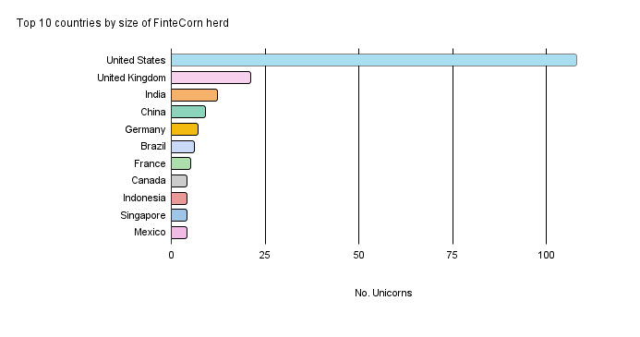

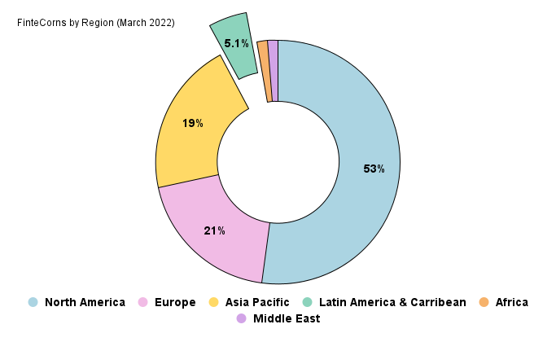

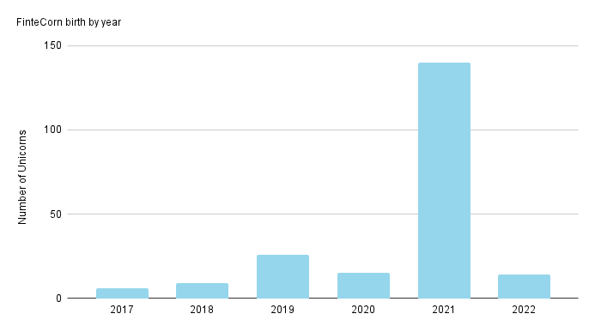

findexable limited 2022
findexable.com

